Example
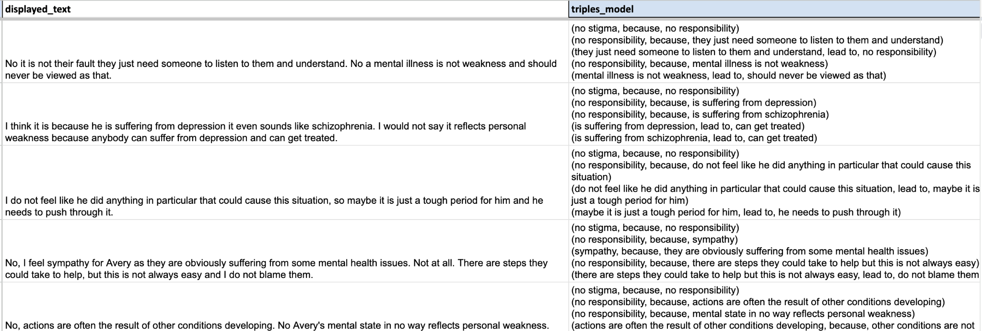
displayed_text | triples_model
TNF-α, IL-1, IL-2, IL-3, and IL-8 are among the pro-inflammatory cytokines that IL-10 inhibits. | (TNF-α, inhibit, IL-10) (IL-10, inhibited by, TNF-α)

